Returns
Weighted Average Cost of Capital

 |  | Weight | Cost
Debt Capital |  | 15.0% | 7.5%
Equity Capital |  | 85.0% | 11.5%

Weighted Average Cost of Capital |  |  | 10.90%

Net Present Value & Return Calculations

We have assumed a valuation date of December 31, 2023 for both examples below

Irregular Cashflow Timing |  |  |  | Regular Cashflow Timing

Dates | Cashflows | WACC | 10.90% | Dates | Cashflows | WACC | 10.90%
2023-12-31 | (300,000) |  |  | 2023-12-31 | (300,000)
2024-12-03 | 68,601 | NPV | 65,954 | 2024-12-31 | 68,601 | NPV | 65,954
2025-12-12 | 42,060 | XNPV 1 | 68,151 | 2025-12-31 | 42,060 | XNPV 3 | 65,784
2026-12-01 | 78,129 |  |  | 2026-12-31 | 78,129
2027-12-07 | 81,831 | IRR | 15.621% | 2027-12-31 | 81,831 | IRR | 15.621%
2028-12-08 | 28,250 | XIRR 2 | 15.844% | 2028-12-31 | 28,250 | XIRR 4 | 15.605%
2029-12-09 | 64,676 |  |  | 2029-12-31 | 64,676
2030-12-02 | 21,839 |  |  | 2030-12-31 | 21,839
2031-12-24 | 49,230 |  |  | 2031-12-31 | 49,230
2032-12-25 | 28,472 |  |  | 2032-12-31 | 28,472
2033-12-20 | 92,910 |  |  | 2033-12-31 | 92,910
2034-12-02 | 95,392 |  |  | 2034-12-31 | 95,392

 |  |  | The NPV result is incorrect in this case, but the XNPV result is correct. |  |  |  | The XNPV result is roughly equal to the NPV result.
 |  |  | The NPV function always assumes even spacing for the cash flows. |  |  |  | The slight difference comes from the treatment of leap years.

 |  |  | The IRR result is incorrect in this case, but the XIRR result is correct. |  |  |  | The XIRR result is roughly equal to the IRR result.
 |  |  | The IRR function always assumes even spacing for the cash flows. |  |  |  | The slight difference comes from the treatment of leap years.

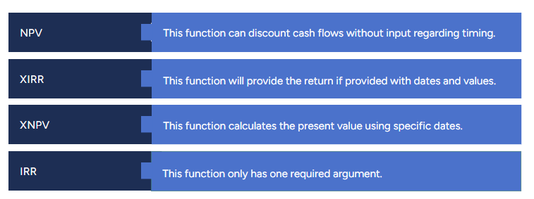
 |  |  |  |  | Cash Flow
 |  |  |  |  | Cash flow is the net cash and cash equivalents transferred in and out of a company, over a time period.

 |  |  |  |  | Net Present Value
 |  |  |  |  | NPV is the difference between the present value of cash inflows and outflows over a period of time.

 |  |  |  |  | Internal Rate of Return
 |  |  |  |  | IRR, or internal rate of return, is a metric used in financial analysis to estimate the profitability of potential investments.

